02. SCAN INVOICES
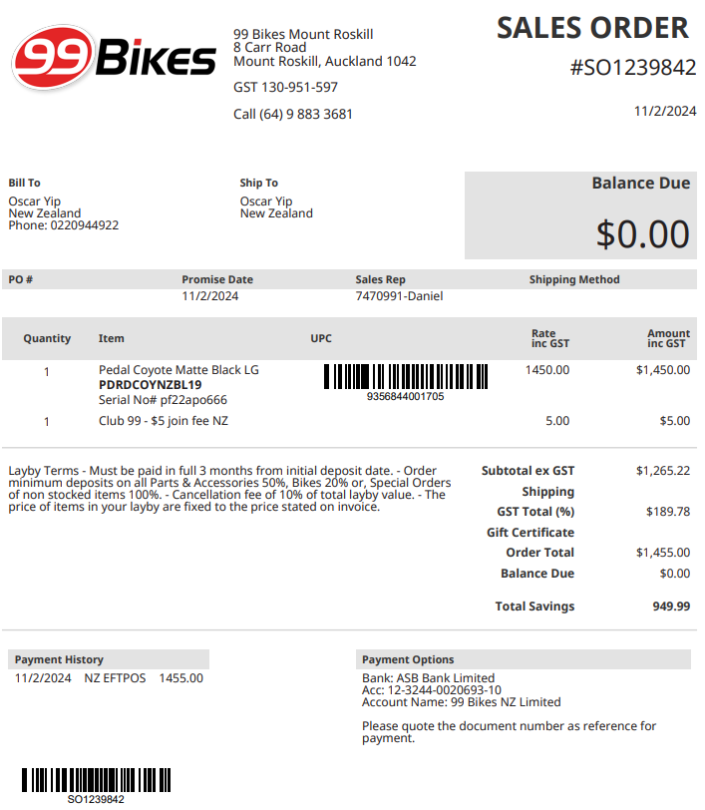

-------------- | ebike invoice

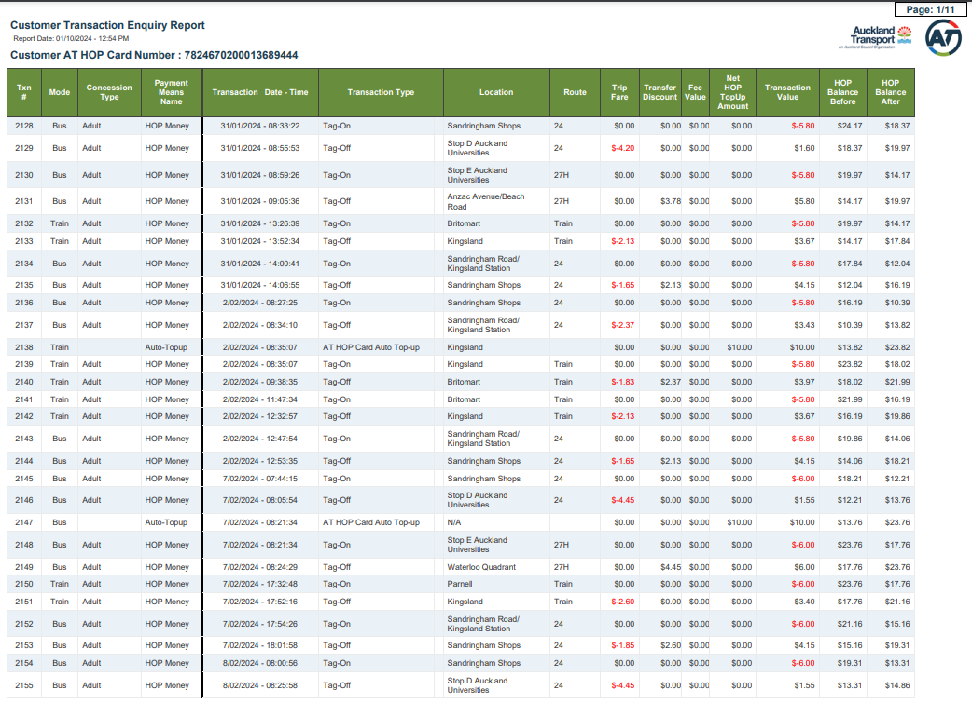

 |  | -------------- | bus fares (Jan - Feb 2024)

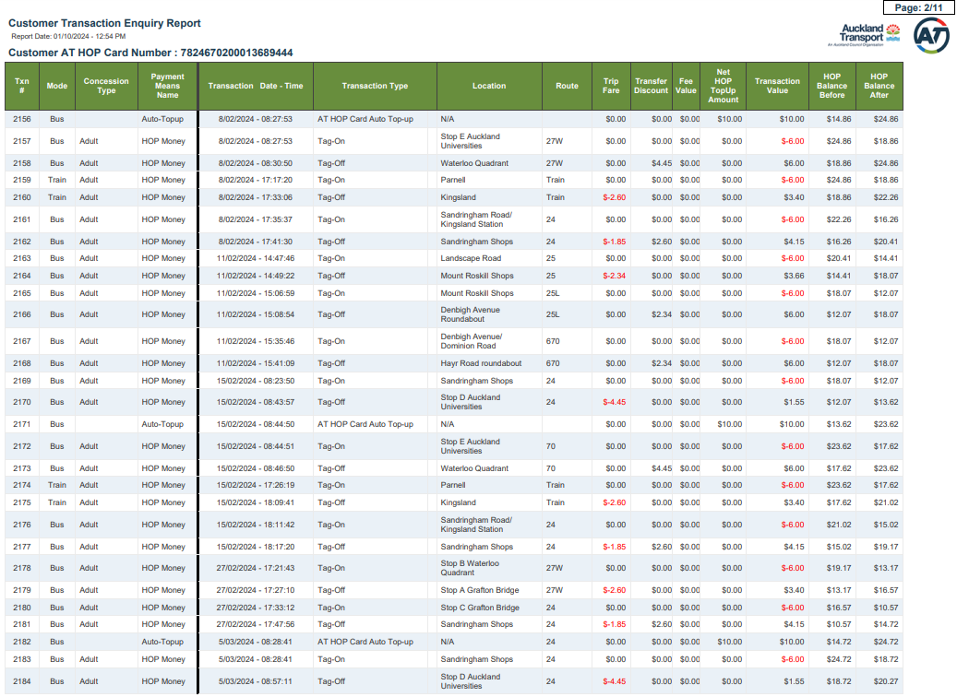

 |  | -------------- | bus fares (Feb - Mar 2024)

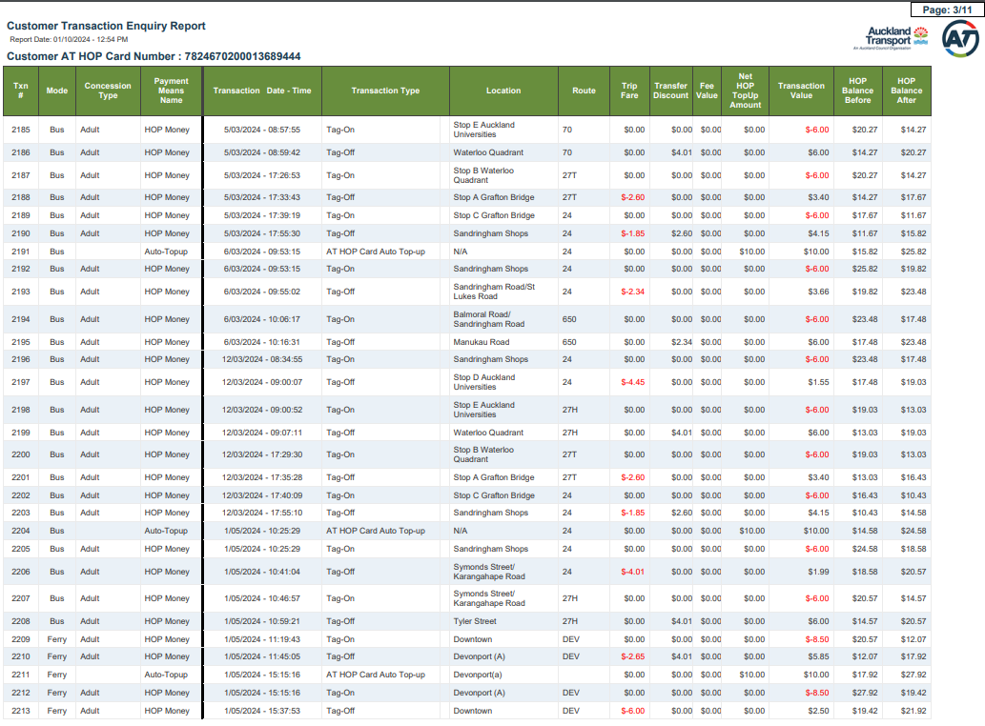

 |  | -------------- | bus fares (Mar - May 2024)

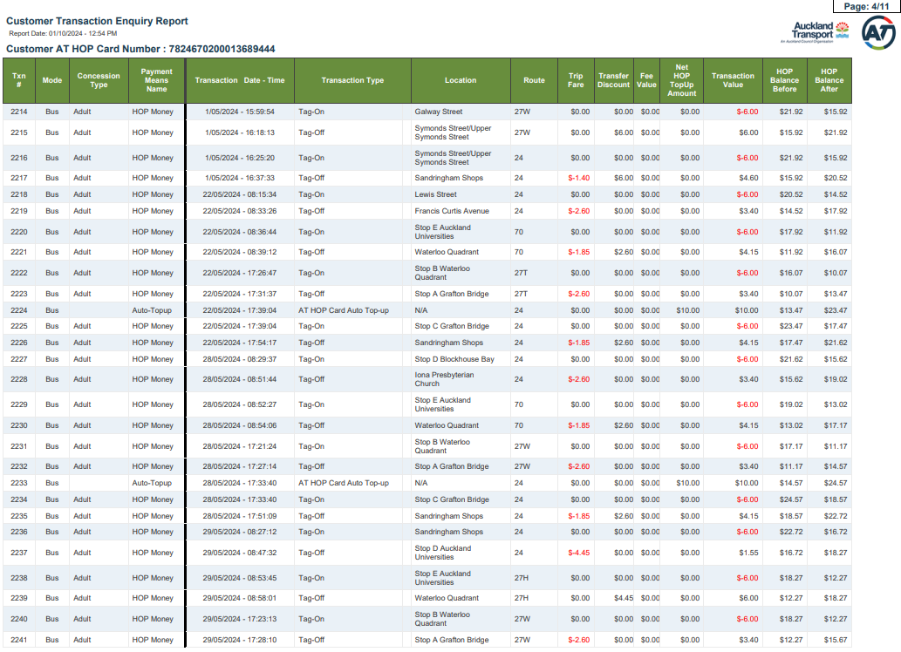

 |  | -------------- | bus fares (May 2024)

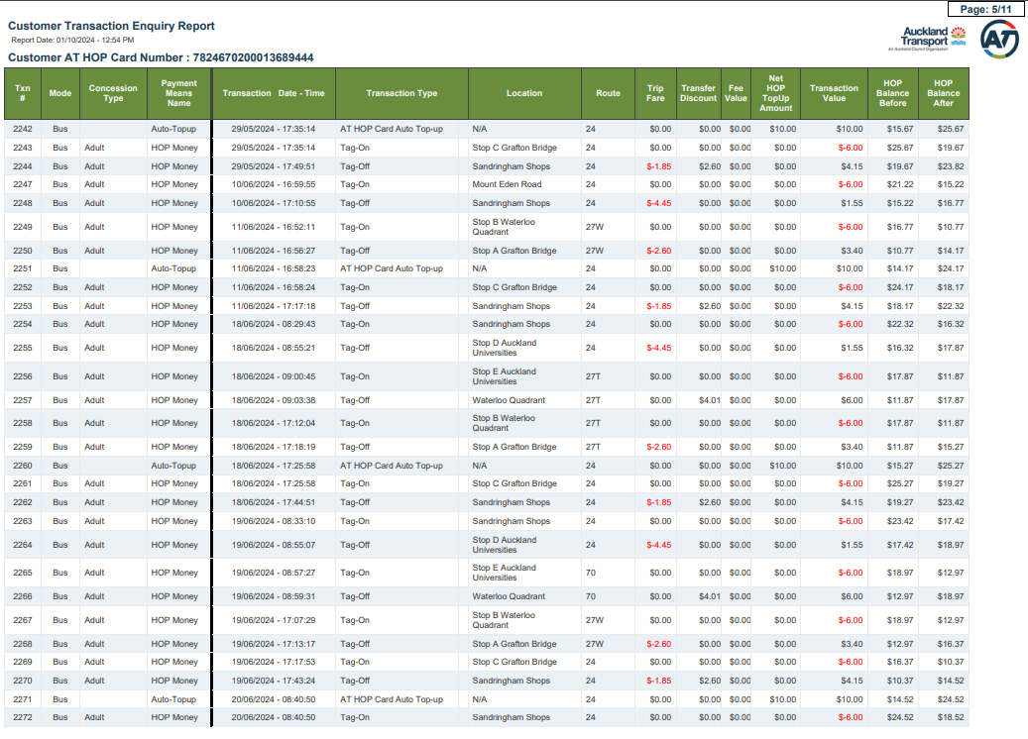

 |  | -------------- | bus fares (May - Jun 2024)

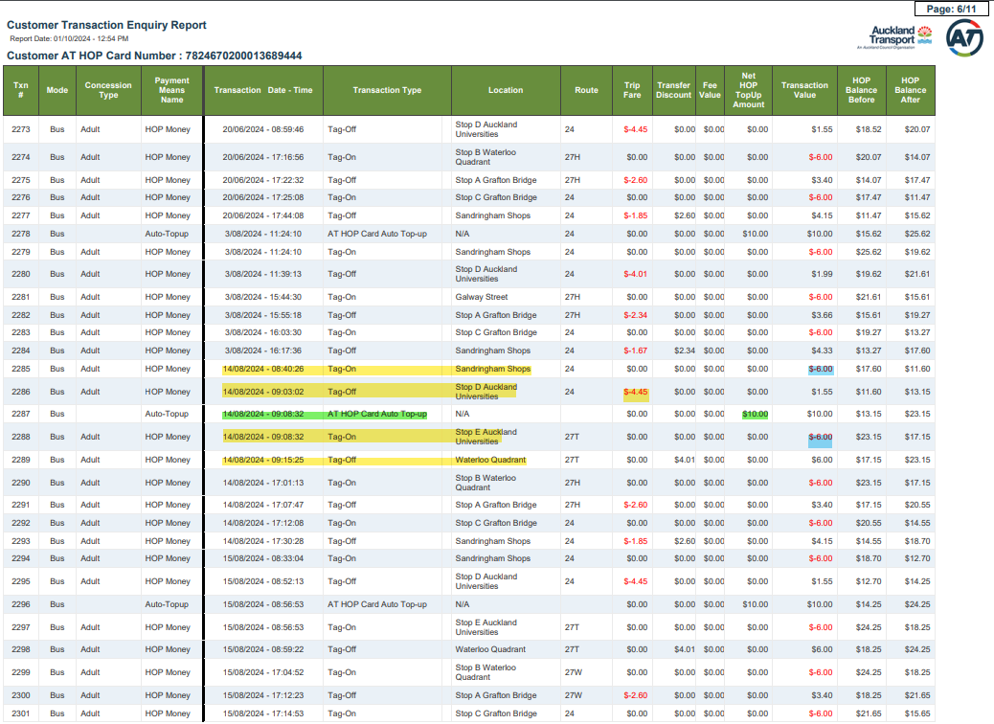

 |  | -------------- | bus fares (Jun - Aug 2024)

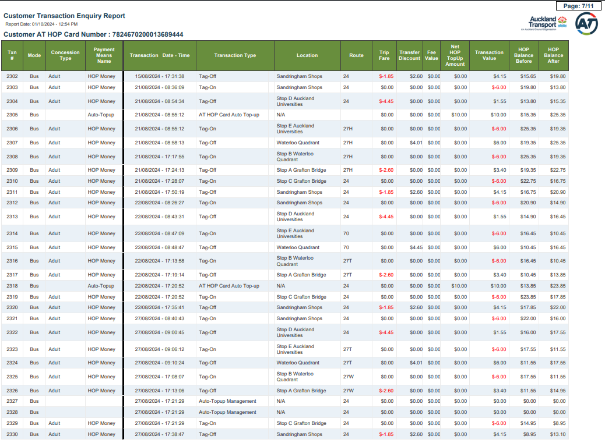

 |  | -------------- | bus fares (Aug 2024)

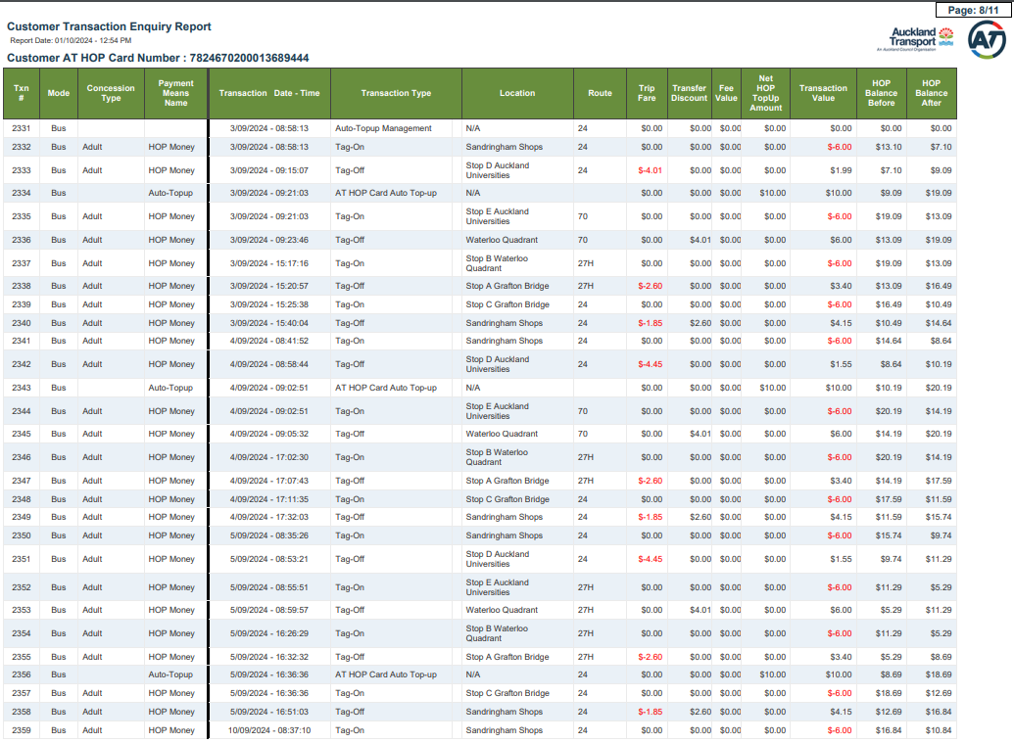

 |  | -------------- | bus fares (Aug - Sep 2024)

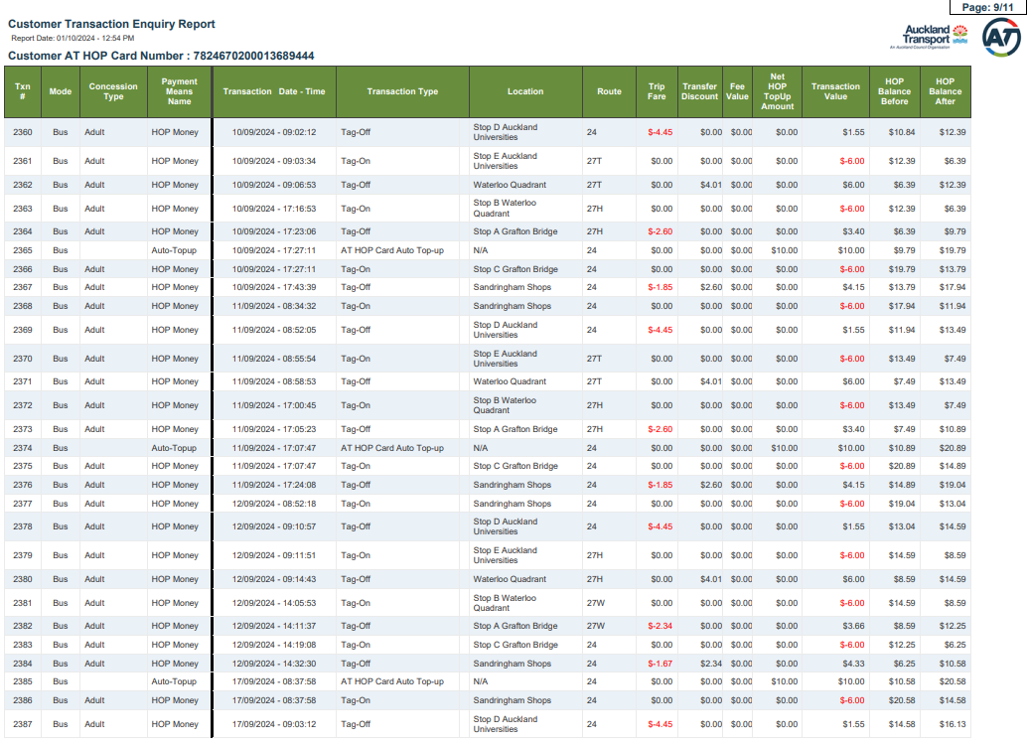

 |  | -------------- | bus fares (Sep 2024)

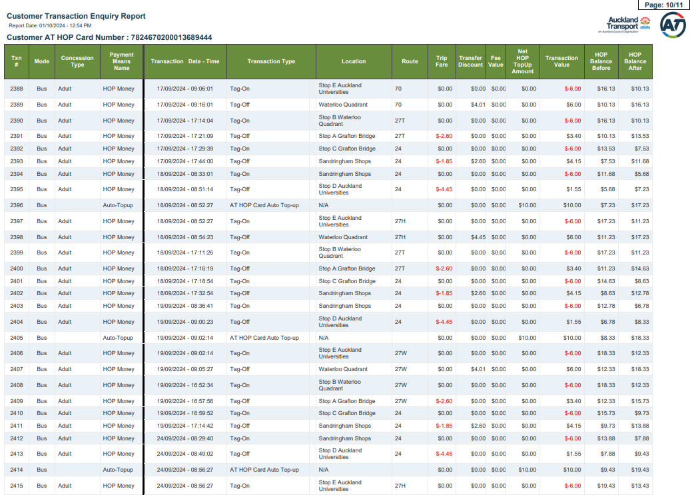

 |  | -------------- | bus fares (Sep 2024)

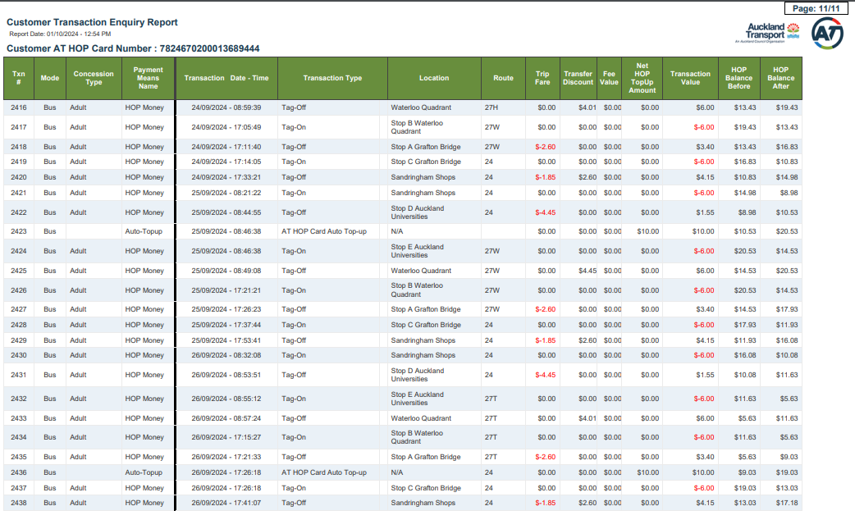

 |  | -------------- | bus fares (Sep 2024)

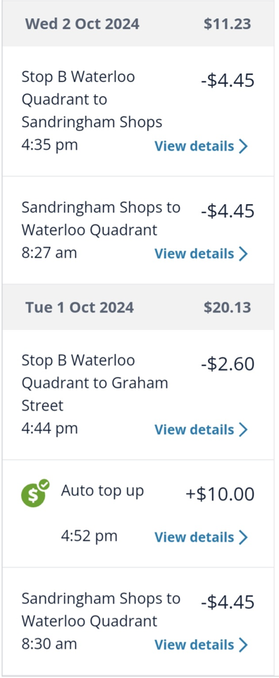
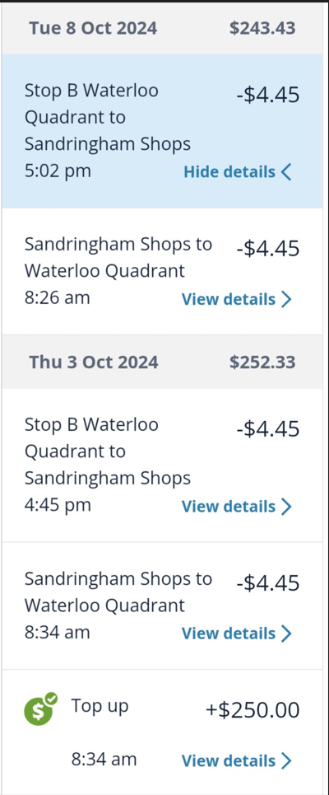

 |  | -------------- | bus fares (Oct 2024 - present)

